Data2
Create a Sankey Diagram Using the SankeyMatic

Sample Data

Income | Class | From | value |  | Source | Target | value | Source | Target | value
Salery | Income | Work | 2000 |  | Salery | Income | 2000 | Income | Work | 2000
Interst | Income | Saving | 400 |  | Interst | Income | 400 | Income | Saving | 700
Gifts | Not_income | Father | 1000 |  | Gifts | Not_income | 1000 | Not_income | Father | 1500
Borowed | Not_income | Father | 500 |  | Borowed | Not_income | 500 | Income | Father | 600
Other | Income | Father | 600 |  | Other | Income | 600
Dividened | Income | Saving | 300 |  | Dividened | Income | 300

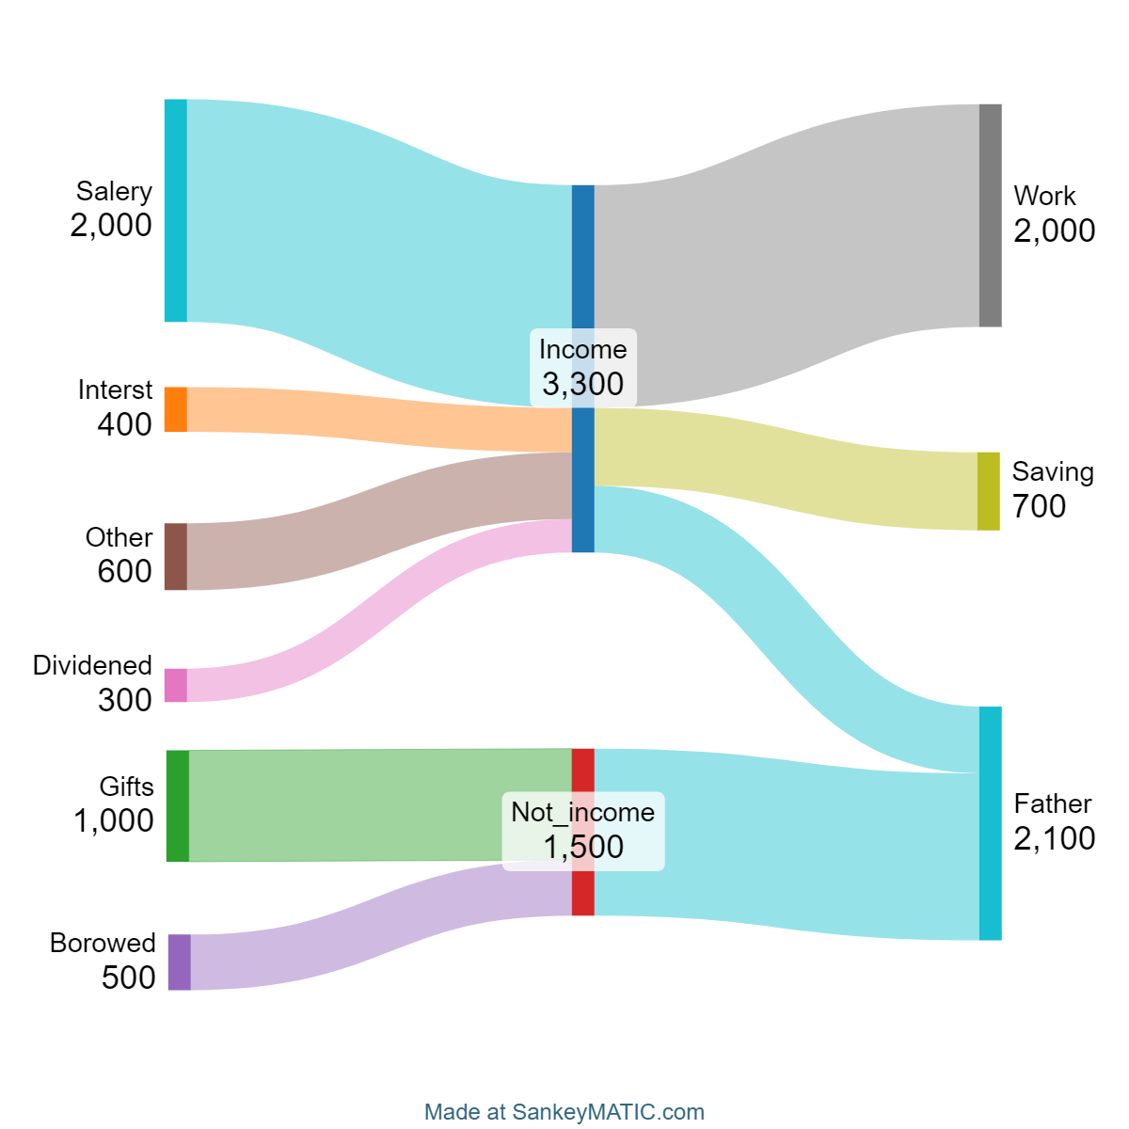

Source | Target | value
Salery | Income | 2000 |  | Salery [2000] Income
Interst | Income | 400 |  | Interst [400] Income
Gifts | Not_income | 1000 |  | Gifts [1000] Not_income
Borowed | Not_income | 500 |  | Borowed [500] Not_income
Other | Income | 600 |  | Other [600] Income
Dividened | Income | 300 |  | Dividened [300] Income
Income | Work | 2000 |  | Income [2000] Work
Income | Saving | 700 |  | Income [700] Saving
Not_income | Father | 1500 |  | Not_income [1500] Father
Income | Father | 600 |  | Income [600] Father

Note.
1. Sample data should be the form of "Source", "Value and Target => Source [value] Tatget , in trext format.
2. The final for should be cliped and poseted
3. The Sankeymatic tool is here |  |  |  | https://sankeymatic.com/build/
4. For Snakymatic manual for formia |  |  |  | SankeyMATIC: Manual - Getting Started: Nodes and Flows

